week20_information_for_componen
 | Information for Components in All Systems and Processes
 | AquaPonics Pilot System
 | by Lydia Kuo (FAB LAB CMASS iSPACE) - FABLAB TAIPEI
 |  |  |  |  |  |  | Lastest Updated: | 2021-05-20
 | Component | Name of Component | Sources | Unit Price (HK$) | Quantity | Total Price (HK$) | Part | System
 | 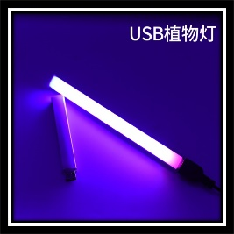 | USB Plant Grow Light Bulbs | Taobao | HK$12.10 | 2 | HK$24.20 | 5 | Lightning
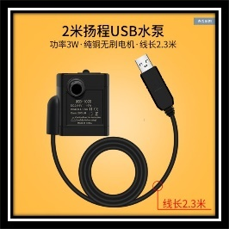 |  | USB Water Pump | Taobao | HK$48.70 | 1 | HK$48.70 | 1 | Water Pumping
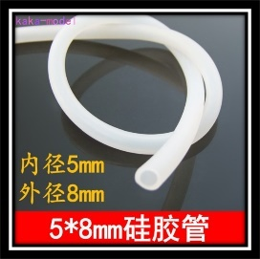 |  | Water Pipes | Taobao | HK$6.00 | 2 | HK$12.00 | 1-5 | Water Pumping
 | 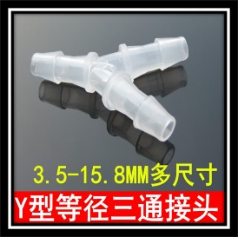 | Plastic Junction | Taobao | HK$15.80 | 1 | HK$15.80 | 3 | Water Pumping
 | 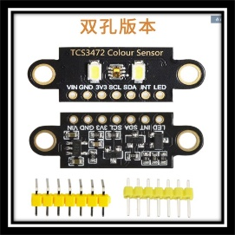 | Color Sensor - TCS3472 | Taobao | HK$10.40 | 1 | HK$10.40 | 4b | Color Sensation
 | 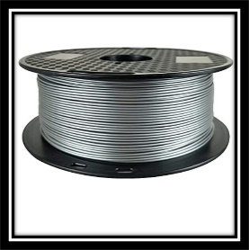 | 1.75mm diameter filament, 3D Printer materials with silver and red colour | Amazon | HK$44.50 | 3 | HK$133.50 | 2-6 | Packaging
 | 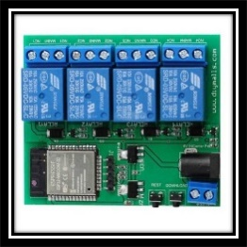 | ESP32 4 Channel Wifi Bluetooth Relay Module | Taobao | HK$172.40 | 1 | HK$172.40 | 2 | Water Pumping, Lightning, Solar Power Supply, Color Sensation
 | 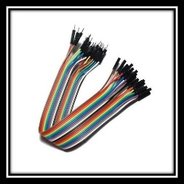 | Electrical wires | Apliu Street | HK$10.00 | 1 | HK$10.00 | 2,3 | Water Pumping, Lightning, Solar Power Supply, Color Sensation
 | 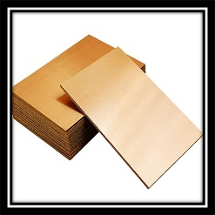 | PCB Copper Plate | Taobao | HK$70.00 | 1 | HK$70.00 | 2 | Water Pumping, Lightning, Solar Power Supply, Color Sensation
 |  | Acrylic Sheet 4' x 6' x 5mm | Taobao | HK$83.00 | 1 | HK$83.00 | 1 | Water Pumping
 | 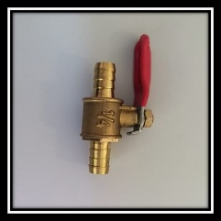 | Two-Way Switch | Goldfish Street | HK$20.00 | 1 | HK$20.00 | 3 | Water Pumping
 | 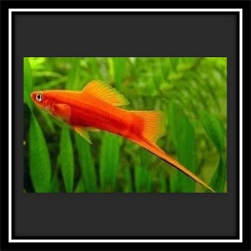 | Fishes (Swordtail) | Goldfish Street | HK$1.00 | 3 | HK$3.00 | 1 | Water Pumping
 | 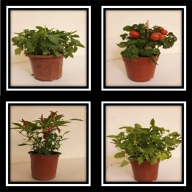 | Herbs and Plant | Flower Market | HK$20.00 | 4 | HK$80.00 | 4a | Water Pumping
 | 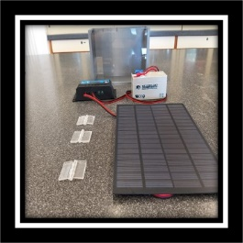 | Solar Supply System (Package) | Apliu Street | HK$100.00 | 1 | HK$100.00 | 7 | Solar Supply Supply
 |  |  |  |  |  | HK$783.00

