Sheet1
GAMMA COOL BOX BILL OF MATERIAL |  |  |  | June 2018, by Mej
TOTAL | 236 €

Fan&Radiator | 60 €
Peltier | 16 €
Power supply | 34 €
DC/DC buck | 2 €
MCU board | 10 €
RF | 2 €
ICs | 19 €
Passive electronic | 14 €
Aluminium | 50 €
Wood | 10 €
Blue Foam | 5 €
Miscellaneous | 14 €
 | Ref |  | Details | Unit cost | Quantity | Total cost | Online | Weight
 |  |  |  | [€] |  | [€] |  | [g]
Modules | 124 €
Fan&Radiator | GAMMAX_200 | 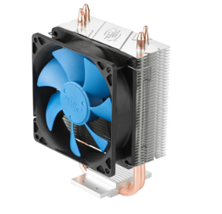 | 12V, 200mA 4pin connector 95W 30dB | 12.0 € | 5 | 60 € | http://www.deepcool.com/product/cpucooler/2013-12/7_471.shtml | 300 | Fan&Radiator | 60 €
Peltier | TEC1-07108HT | 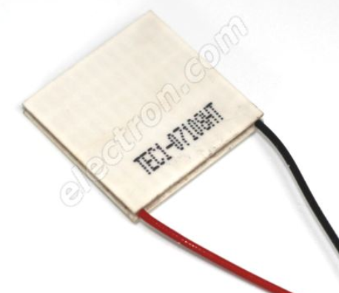 | 30x30x3.5mm 8.5V/8.5A | 5.0 € | 2 | 10 € | https://www.electron.com/peltier-module-hebei-tec1-07108ht-p361/ | 17 | Peltier | 16 €
Peltier | TES1-3105 |  | 15x15x5mm 3.5V/5A | 3.0 € | 2 | 6 € | https://www.amazon.fr/gp/product/B0776RHRGF/ref=oh_aui_detailpage_o01_s00?ie=UTF8&psc=1
Power supply | RS-150-12 | 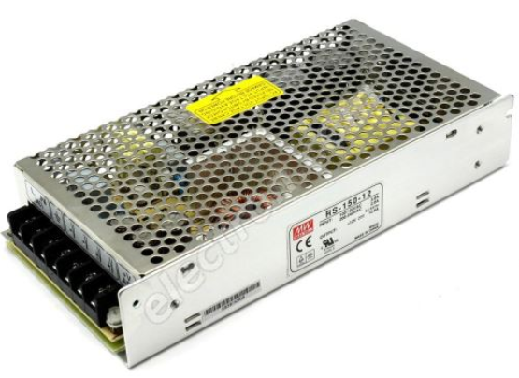 | Input: 88-264V / 47-63Hz Output: 12V / 12.5A (150W) 199x98x38mm ! Without cable ! | 34.0 € | 1 | 34 € | https://www.electron.com/12v-dc-switching-power-supply-mean-well-rs-150-12-p53682/ | 665 | Power supply | 34 €
DC/DC buck | LM2596 module | 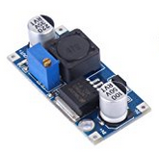 | Step-down. 3A max Manual potentiometer IC alone cost 3-4€ per 10 on elec suppliers… | 2.0 € | 1 | 2 € | https://www.amazon.fr/gp/product/B072MQYJ93/ref=od_aui_detailpages00?ie=UTF8&psc=1 https://www.mouser.fr/ProductDetail/Texas-Instruments/LM2596SX-50-NOPB?qs=X1J7HmVL2ZGZ5T4VcWdmNw== |  | DC/DC buck | 2 €
MCU board | Arduino Leonardo | 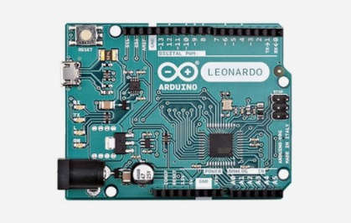 | ATmega32U4 5V/16MHz Native USB core 60kHz 8 bit PWM | 10.0 € | 1 | 10 € | https://store.arduino.cc/arduino-leonardo-with-headers |  | MCU board | 10 €
RF | NRF24L01 module |  | RF module compatible MCU Arduino | 2.0 € | 1 | 2 € | https://www.amazon.fr/gp/product/B075DBDS3J/ref=oh_aui_detailpage_o06_s00?ie=UTF8&psc=1 |  | RF | 2 €
Drivers | 16 € |  |  |  |  |  |  |  | ICs | 19.10 €
Dual Full-Bridge | DRV8432 | 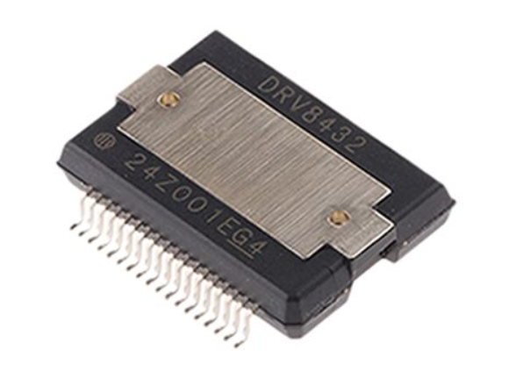 | GND to Vcc output (Vcc = 12V) 7A/channel, 12A peak PWM ctrl Custom SSOP (14x16mm_Pitch0.65mm) | 5.6 € | 1 | 6 € | https://www.digikey.fr/product-detail/fr/texas-instruments/DRV8432DKD/296-27410-5-ND/2288054?utm_campaign=buynow&utm_medium=aggregator&WT.z_cid=ref_findchips_standard&utm_source=findchips
L | DENO-23-0001 |  | 2000uH - 16A max NOT shielded TH, Ø23mm | 1.0 € | 2 | 2 € | https://www.mouser.fr/ProductDetail/Schurter/DENO-23-0001?qs=sGAEpiMZZMsg%252by3WlYCkU%2fBUuRpviN4B0xV%252bHTQ%252b2jg%3d
Dual Full-Bridge | DRV8412 | 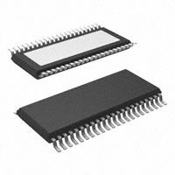 | GND to Vcc output (Vcc = 12V) 3A/channel, 6A peak PWM ctrl HTSSOP-44-EP (8x14mm_Pitch0.635mm) | 3.5 € | 1 | 4 € | https://www.digikey.fr/product-detail/fr/texas-instruments/DRV8412DDWR/296-25561-1-ND/2197040?utm_campaign=buynow&utm_medium=aggregator&WT.z_cid=ref_findchips_standard&utm_source=findchips
L | HCTI-330-5.2 |  | 330uH - 5.2A max shielded TH, Ø32mm | 1.2 € | 2 | 2 € | https://eu.mouser.com/ProductDetail/Bel-Signal-Transformer/HCTI-330-52?qs=%2fha2pyFaduhvyNakY6lEP6ITEJf3PhNCvcBPNmmEvELHVc3Nm2nNyA%3d%3d
Single bridge | DRV8830 |  | 0.5V to 5V ouput (Vcc=6V) 1A max, 1.5A peak I²C com MSOP-10 (5x3mm_Pitch0.5mm) | 1.0 € | 2 | 2 € | https://www.digikey.fr/product-detail/fr/texas-instruments/DRV8830DGQR/296-28165-1-ND/2520907?utm_campaign=buynow&utm_medium=aggregator&WT.z_cid=ref_findchips_standard&utm_source=findchips
Other ICs | 8 €
GPIO Expender | PCA9555 | SOIC-24 | 16 GPIO expender, I²C com 7.5x15.4mm_Pitch1.27mm | 0.9 € | 1 | 1 € | http://www.ti.com/product/PCA9555
I²C Fan controler | MAX31790 | QFN-28-1EP | 6 channel "4 pin fan" controler 4x4mm_Pitch0.4mm | 2.4 € | 1 | 2 € | https://www.maximintegrated.com/en/products/sensors/MAX31790.html
I²C Temp sensor | MCP9904T-A | VDFN-10 | 1 internal + 3 outside junction sensor 3x3mm_Pitch0.5mm | 0.7 € | 5 | 4 € | https://www.mouser.fr/datasheet/2/268/20005382B-914608.pdf
LDO 5V | MIC5219 | SOT23-5 | 3.3V/500mA, Vin=10V max | 0.6 € | 1 | 1 € | https://www.mouser.fr/ProductDetail/Texas-Instruments/LP38691QSD-50-NOPB?qs=sGAEpiMZZMsGz1a6aV8DcOFtVvioSBoRl3rE7%2fGvr0I%3d
LDO 3.3V | MIC5504 | SOT23-5 | 3.3V/300mA, Vin=5.5V max | 0.6 € | 1 | 1 € | https://www.mouser.fr/ProductDetail/Texas-Instruments/TLV70233DSER?qs=sGAEpiMZZMsGz1a6aV8DcKt5MQ%2fwn0OxdMDKPTtiSEY%3d
Passive electronic | 6 € |  |  |  |  |  |  |  | Passive electronic | 14 €
Connector | 2x4 SMD |  | 3A max (could do 4A?..) | 0.20 € | 12 | 2 €
 | 1x4 SMD |  |  | 0.10 € | 6 | 1 €
 | Bornier SMD |  | 9A max | 0.50 € | 2 | 1 € | https://www.mouser.fr/ProductDetail/Wurth-Electronics/695402400222?qs=%2fha2pyFaduggnpXGUfwC5LaikytchDxWnZERCzbqufeazUk9kLU1Bw%3d%3d
Q |  | TO92 and SOT523 | for thermal sensing | 0.05 € | 15 | 1 €
LED |  | 1206 |  | 0.05 € | 14 | 1 €
R |  | 1206, 0805 |  | 0.01 € | 53 | 1 €
C |  | 1206, 0805, 0603 |  | 0.01 € | 40 | 0 €
Raw stock | 68 €
Aluminium |  | 10mm | 1.6kg (3kg stock) |  |  | 50 € |  |  | Aluminium | 50 €
Wood |  | 18mm |  |  |  | 10 € |  |  | Wood | 10 €
Blue Foam |  | 80mm |  |  |  | 5 € |  |  | Blue Foam | 5 €
FR4 PCB |  | 1.6mm, 35µm Cu |  |  |  | 3 €
Miscellaneous | 14 € |  |  |  |  |  |  |  | Miscellaneous | 14 €
Wires |  | 200mm, female, Pitch2.54mm |  | 0.05 € | 28 | 1 €
USB Cable |  |  |  | 1 € | 1 | 1 €
power cable |  |  |  | 1 € | 1 | 1 €
Screws |  | M3, 22mm |  | 0.05 € | 20 | 1 €
Thermal paste |  | 15cc syringe |  | 5 € | 1 | 5 €
Soldering paste | Quickchip | 15cc syringe, 220°C |  | 5 € | 1 | 5 €

LC filter
 |  |  |  |  |  |  | R | 1 | 2 | 3 | 1 | 1
 | https://en.wikipedia.org/wiki/RLC_circuit#Low-pass_filter |  |  |  |  |  | L [uH] | 15 | 47 | 100 | 2000 | 47
 |  |  |  |  |  |  | C [µF] | 2.2 | 2.2 | 1 | 100 | 10
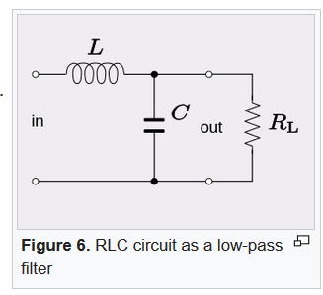
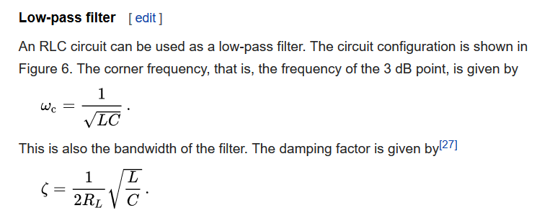
 |  |  |  |  |  |  | ω [rad/s] | 1.7E+05 | 9.8E+04 | 1.0E+05 | 2.2E+03 | 4.6E+04
 |  |  |  |  |  |  | f [kHz] | 27.7 | 15.7 | 15.9 | 0.4 | 7.3

 |  |  |  |  |  |  | ξ | 1.3 | 1.2 | 1.7 | 2.2 | 1.1

 |  |  |  |  |  |  | R | 1 | 2 | 3 | 4 | 5
 |  |  |  |  |  | f_pwm_drv8830 | L [uH] | 47 | 47 | 47 | 47 | 47
 |  |  |  |  |  | 40kHz | C [µF] | 1 | 1 | 1 | 1 | 1
 |  |  |  |  |  |  | ω [rad/s] | 1.5E+05 | 1.5E+05 | 1.5E+05 | 1.5E+05 | 1.5E+05
 |  |  |  |  |  |  | f [kHz] | 23.2 | 23.2 | 23.2 | 23.2 | 23.2

 |  |  |  |  |  |  | ξ | 3.4 | 1.7 | 1.1 | 0.9 | 0.7

 | Inductance
Cost for 100 | L [uH] | R [mΩ] | I_max [A]
1.20 € | 150 | 71 | 5 | shielded, TH, Ø32mm | https://eu.mouser.com/ProductDetail/Bel-Signal-Transformer/HCTI-150-50?qs=gt1LBUVyoHkF45dK1WiKjw==
1.23 € | 330 | 67 | 5.2 | shielded, TH, Ø32mm | https://eu.mouser.com/ProductDetail/Bel-Signal-Transformer/HCTI-330-52?qs=%2fha2pyFaduhvyNakY6lEP6ITEJf3PhNCvcBPNmmEvELHVc3Nm2nNyA%3d%3d
1.05 € | 100 | 163 | 3.6 | shielded, SMD, 13x13x8mm | https://www.mouser.fr/ProductDetail/Coiltronics-Eaton/DR127-101-R?qs=yzwxPInThYS5S9GNGzgpHA%3D%3D
2.22 € | 2000 | 15 | 16 | TH, Ø23mm, NOT shielded | https://www.mouser.fr/ProductDetail/Schurter/DENO-23-0001?qs=sGAEpiMZZMsg%252by3WlYCkU%2fBUuRpviN4B0xV%252bHTQ%252b2jg%3d

0.06 € | 10µF | SMD |  |  | https://www.mouser.fr/ProductDetail/Murata-Electronics/GRM21BC81C106KE15L?qs=sGAEpiMZZMs0AnBnWHyRQKFZIQ7b73cdGHxNihrk%2fykL%2fs1exAwMsg%3d%3d
0.60 € | 47µF | SMD
1.00 € | 100µF | SMD, 1210 |  |  | https://www.mouser.fr/ProductDetail/Taiyo-Yuden/EMK325ABJ107MM-P?qs=sGAEpiMZZMs0AnBnWHyRQGhk12fSSRJZU9LapuA34fgQQa9n07lBew%3d%3d
4.30 € | 470µF | SMD, 1211 |  |  | https://www.mouser.fr/search/refine.aspx?Ntk=P_MarCom&Ntt=162236843

